Sheet1
 |  |  | STYLE# | BOX | PAIRS | Total pairs | unit price | Total Price
1 | kids | #VALUE! | P612K (7-13) | 27 | 24 | 648 |  | 0
2 | kids | #VALUE! | P629K (7-13) | 98 | 24 | 2352 |  | 0
3 | kids | #VALUE! | P627K (7-13) | 112 | 24 | 2688 |  | 0
4 | kids | 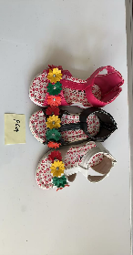 #VALUE! | P624K (7-13) | 26 | 24 | 624 |  | 0
5 | kids | #VALUE! | P617K (7-13) | 52 | 24 | 1248 |  | 0
6 | kids | #VALUE! | P615K (7-13) | 95 | 24 | 2280 |  | 0
7 | kids | #VALUE! | P612I (4-9) | 8 | 36 | 288 |  | 0
8 | kids | #VALUE! | P627T (4-9) | 24 | 36 | 864 |  | 0
9 | kids | #VALUE! | P629 I (4-9) | 58 | 36 | 2088 |  | 0
10 | kids | #VALUE! | P621 K (7-13) | 50 | 24 | 1200 |  | 0
11 | kids | #VALUE! | K858 (4-9) | 187 | 36 | 6732 |  | 0
12 | kids | #VALUE! | K856 (4-9) | 114 | 36 | 4104 |  | 0
13 | kids | #VALUE! | K820 (4-9) | 28 | 36 | 1008 |  | 0
14 | kids | #VALUE! | K817 *4-9) | 102 | 36 | 3672 |  | 0
15 | kids | #VALUE! | K816 (4-9) | 56 | 36 | 2016 |  | 0
 | kids | #VALUE! | K8592 | 46 | 36 | 1656 |  | 0
16 | kids | #VALUE! | K826 (4-9) | 68 | 36 | 2448 |  | 0
17 | kids | #VALUE! | G826 (10-4) | 192 | 18 | 3456 |  | 0
18 | kids | #VALUE! | G832 (10-4) | 92 | 18 | 1656 |  | 0
19 | kids | #VALUE! | G856 (10-4) | 136 | 18 | 2448 |  | 0
20 | kids | #VALUE! | G8222 (10-4) | 8 | 18 | 144 |  | 0
21 | kids | #VALUE! | G69 (10-4) | 56 | 18 | 1008 |  | 0
22 | kids | #VALUE! | LISA-27 (10-4) | 12 | 18 | 216 |  | 0
23 | kids | #VALUE! | G837 (10-4) | 16 | 18 | 288 |  | 0
24 | kids | #VALUE! | G836 (10-4) | 65 | 18 | 1170 |  | 0
25 | kids | #VALUE! | G256 (10-4) | 24 | 18 | 432 |  | 0
26 | kids | #VALUE! | G695 (10-4) | 13 | 18 | 234 |  | 0
27 | kids | 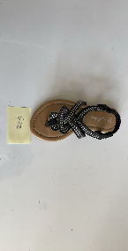 #VALUE! | G22 (10-4) | 25 | 18 | 450 |  | 0
28 | kids | #VALUE! | G23 (10-4) | 78 | 18 | 1404 |  | 0
29 | kids | #VALUE! | SOPHIA 322 (10-4) | 17 | 18 | 306 |  | 0
30 | kids | #VALUE! | T888 (1-4) | 44 | 36 | 1584 |  | 0
31 | Women | #VALUE! | F153 (5.5-10) | 32 | 18 | 576 |  | 0
32 | Women | #VALUE! | F712 (5.5-10) | 52 | 18 | 936 |  | 0
33 | Women | #VALUE! | HELEN 27 (5.5-10) | 36 | 18 | 648 |  | 0
 | Women | #VALUE! | F31(5.5-10) | 11 | 18 | 198 |  | 0
 | Women | 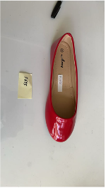 #VALUE! | F695(5.5-10) | 3 | 18 | 54 |  | 0
34 | Women | #VALUE! | F39 (5.5-10) | 24 | 18 | 432 |  | 0
35 | Women | #VALUE! | F696 (5.5-10) | 40 | 18 | 720 |  | 0
 | Women | #VALUE! | F1582 (5.5-10) | 45 | 18 | 810 |  | 0
 | Women | #VALUE! | C279 (5-10) | 68 | 18 | 1224 |  | 0
 | Women | 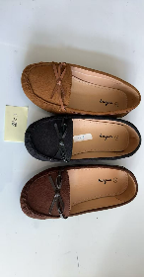 #VALUE! | C278 (5-10) | 278 | 18 | 5004 |  | 0
 | Women | #VALUE! | HELEN371 (5.5-10) | 163 | 18 | 2934 |  | 0
 | Women | #VALUE! | HELEN36 (5.5) | 31 | 18 | 558 |  | 0
 | Women | #VALUE! | SUNNY12 (5.5-10) | 98 | 18 | 1764 |  | 0
 | Women | #VALUE! | F63 (5.5-10) | 39 | 18 | 705
TOTAL |  |  |  | 2849 |  | 67275

